Halase
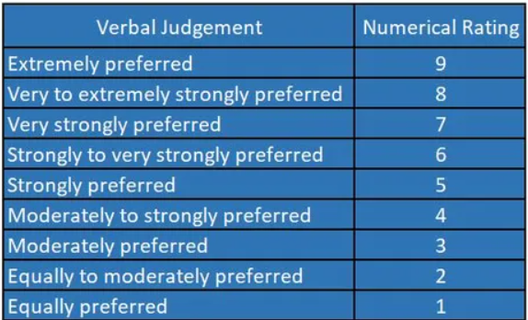
 | Range 1 | Range 2 | Range 3 | Range 4 |  | Range 1 | Range 2 | Range 3 | Range 4 | priority index | sum | eigen value | CI | 0.009590339078
Range 1 | 1 | 0.5 | 0.25 | 0.2 | Range 1 | 0.083333333333 | 0.076923076923 | 0.066666666667 | 0.098360655738 | 0.081320933165 | 12 | 0.97585119798 | RI | 0.9
Range 2 | 2 | 1 | 0.5 | 0.33333333333 | Range 2 | 0.16666666667 | 0.15384615385 | 0.13333333333 | 0.16393442623 | 0.15444514502 | 6.5 | 1.0038934426 | CR | 0.010655932309
Range 3 | 4 | 2 | 1 | 0.5 | Range 3 | 0.33333333333 | 0.30769230769 | 0.26666666667 | 0.24590163934 | 0.28839848676 | 3.75 | 1.0814943253
Range 4 | 5 | 3 | 2 | 1 | Range 4 | 0.41666666667 | 0.46153846154 | 0.53333333333 | 0.49180327869 | 0.47583543506 | 2.0333333333 | 0.96753205128
total | 12 | 6.5 | 3.75 | 2.0333333333 | total | 1 | 1 | 1 | 1 | 1 | 24.283333333 | 4.0287710172

Kemiskinan
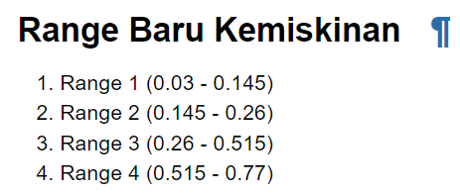
 | Range 1 | Range 2 | Range 3 | Range 4 |  | Range 1 | Range 2 | Range 3 | Range 4 | priority index | sum | eigen value | CI | 0.059147105418
Range 1 | 1 | 2 | 5 | 5 | Range 1 | 0.52631578947 | 0.58823529412 | 0.4347826087 | 0.38461538462 | 0.48348726923 | 1.9 | 0.91862581153 | RI | 0.9
Range 2 | 0.5 | 1 | 5 | 5 | Range 2 | 0.26315789474 | 0.29411764706 | 0.4347826087 | 0.38461538462 | 0.34416838378 | 3.4 | 1.1701725048 | CR | 0.065719006021
Range 3 | 0.2 | 0.2 | 1 | 2 | Range 3 | 0.10526315789 | 0.058823529412 | 0.086956521739 | 0.15384615385 | 0.10122234072 | 11.5 | 1.1640569183
Range 4 | 0.2 | 0.2 | 0.5 | 1 | Range 4 | 0.10526315789 | 0.058823529412 | 0.04347826087 | 0.076923076923 | 0.071122006275 | 13 | 0.92458608157
total | 1.9 | 3.4 | 11.5 | 13 | total | 1 | 1 | 1 | 1 | 1 | 29.8 | 4.1774413163

WiFi
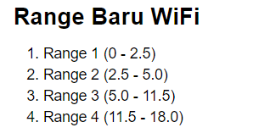
 | Range 1 | Range 2 | Range 3 | Range 4 |  | Range 1 | Range 2 | Range 3 | Range 4 | priority index | sum | eigen value | CI | 0.081084713709
Range 1 | 1 | 0.5 | 0.2 | 0.11111111111 | Range 1 | 0.058823529412 | 0.047619047619 | 0.036697247706 | 0.071174377224 | 0.05357855049 | 17 | 0.91083535834 | RI | 0.9
Range 2 | 2 | 1 | 0.25 | 0.2 | Range 2 | 0.11764705882 | 0.095238095238 | 0.045871559633 | 0.128113879 | 0.096717648175 | 10.5 | 1.0155353058 | CR | 0.090094126343
Range 3 | 5 | 4 | 1 | 0.25 | Range 3 | 0.29411764706 | 0.38095238095 | 0.18348623853 | 0.16014234875 | 0.25467465382 | 5.45 | 1.3879768633
Range 4 | 9 | 5 | 4 | 1 | Range 4 | 0.52941176471 | 0.47619047619 | 0.73394495413 | 0.64056939502 | 0.59502914751 | 1.5611111111 | 0.92890661361
total | 17 | 10.5 | 5.45 | 1.5611111111 | total | 1 | 1 | 1 | 1 | 1 | 34.511111111 | 4.2432541411

Uhahi
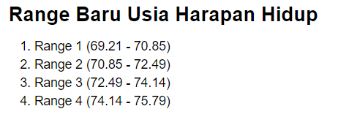
 | Range 1 | Range 2 | Range 3 | Range 4 |  | Range 1 | Range 2 | Range 3 | Range 4 | priority index | sum | eigen value | CI | 0.019928114093
Range 1 | 1 | 0.5 | 0.33333333333 | 0.2 | Range 1 | 0.090909090909 | 0.058823529412 | 0.086956521739 | 0.10526315789 | 0.085488074989 | 11 | 0.94036882488 | RI | 0.9
Range 2 | 2 | 1 | 0.5 | 0.2 | Range 2 | 0.18181818182 | 0.11764705882 | 0.13043478261 | 0.10526315789 | 0.13379079529 | 8.5 | 1.1372217599 | CR | 0.022142348992
Range 3 | 3 | 2 | 1 | 0.5 | Range 3 | 0.27272727273 | 0.23529411765 | 0.26086956522 | 0.26315789474 | 0.25801221258 | 3.8333333333 | 0.9890468149
Range 4 | 5 | 5 | 2 | 1 | Range 4 | 0.45454545455 | 0.58823529412 | 0.52173913043 | 0.52631578947 | 0.52270891714 | 1.9 | 0.99314694257
total | 11 | 8.5 | 3.8333333333 | 1.9 | total | 1 | 1 | 1 | 1 | 1 | 25.233333333 | 4.0597843423

